Instructions
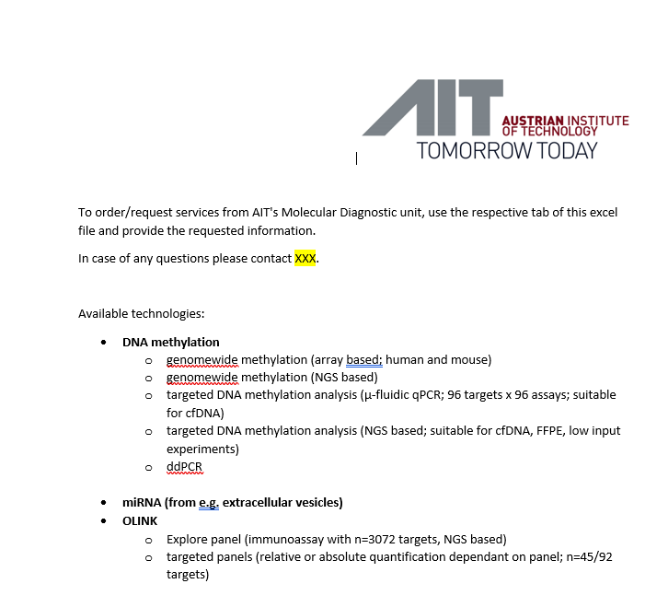

To order/request services from AIT's Molecular Diagnostic unit, use the respective tab of this order sheet and provide the requested information.
In case of any questions please contact XXX.

 | Randomisierung erfolgt durch Kunden --> soll heißen Proben werden in der Reihenfolge auf die Chips/Platten pipettiert, wie sie im Samplesheet erscheinen.

 | für Olink sind 96well skirted Platten unabdingbar; mit Seal, welches für -80 °C geeignet ist, Sendung ausschließlich auf Trockeneis.
Available technologies
 | per Link ins richtige Ordersheet!!!!
DNA methylation
genomewide
targeted
MSP

miRNA

Olink

